Sheet1
UAT for Flow | Sample Flow
Date | 16-Apr-20

Tester Category | Common |  |  | *) Categories your test subject here

Elements | Screenshot | Actions | Tested | Notes on Layout | Notes on Color
Menu Navbar |  | Click will open another page | OK | No issue | No issue
Watch Now button |  | Click will direct to video | OK | User can watch directly | No issue
About: More Info |  | Click will open the about page | OK | User can easily go to the about page | No issue
Merchandise: See more | 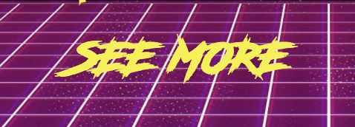 | Click will open the merchandise page | OK | User can easily go to the merchandise page | No issue
Navbar icon |  | Click will open nav bar about, music, and merchandise | OK | User find it easier to have the menu bar on the right corner | No issue
Navbar responsive | 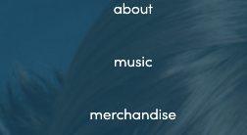 | 1. Click about will open about page 2. Click music will open music page 3. Click merchandise will open merchandise page | OK | No issue | No issue
Prev/Next | 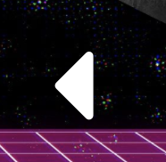 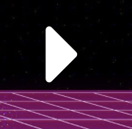 | 1. Prev to go back to previous image with fading effect 2. Next to go to next image with fading effect | OK | User can see merchandise from home | No issue

